Flowchart
Secretary

Donor Interview

Homologous
donation
Autologous
donation
Apheresis Homologous
Apheresis Autologous
External donation

Donor Rejected

Not Rejected

To Quarantine
If volunteer

Lab Tests

Reports and Statistics
 |  | No

IF + Results
Blood group determination
yes

Reports and Statistics

Blood group
Double check

Serology

Serology double check

Reports and Statistics
IF + Results

 | No |  | Yes

Donor Rejected

Lock the donation
Component Preparation

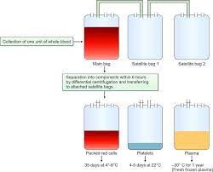
R
e
p
o
r
t
s
Splitting

Pooling

Reconstitution

Treatment
- Irradiation
- Thawing
- Washing
- ...
Patient Info



Reports

Blood group determination

External
Delivery
Patient Serology
Patient Lab Tests
Blood group
Double check

Patient Blood units
- Reserve
- X-match
- Release

Interchange credits
Blood Request
Credits management

Unknown creitors
Unit reception and transfusion
Reports
Reports

Units Control

Check expired units

Check units situation
Find a special unit

Free reserved units
Retained units
Bed site control
Unit Log

Blood bags
Stock reports
Change unit location
Minimum quantity
reports

Reports and Traceability

Multiple criteria statistic
Statistic module Complete set
List of transfused units:
- per units
- per services
- per time

Unit tracing

Donor tracing
Warning Log

Patient tracing
Operators Log

Patient tree
Users activities

Hospital Information System
Safety System for Blood Bank
---
External Links
Recieve patient info from HIS



Send exams to HIS for billing

Billing system

Link the software to external machines
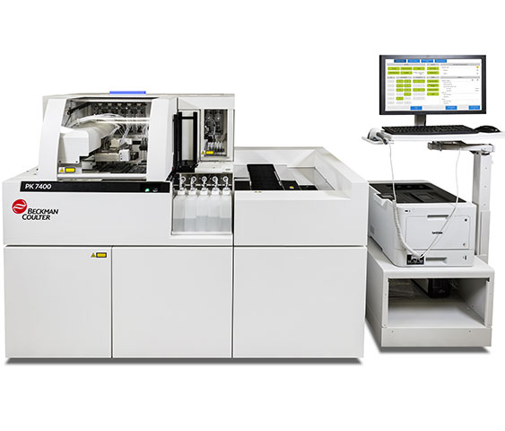

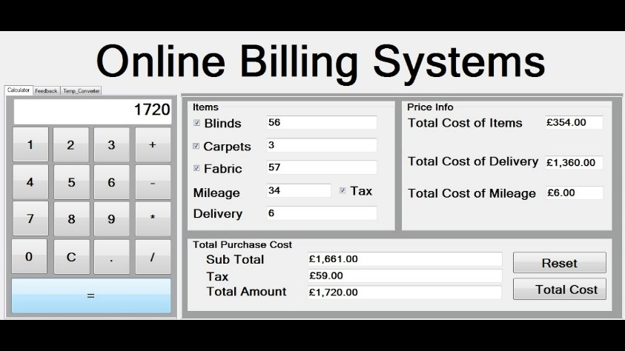

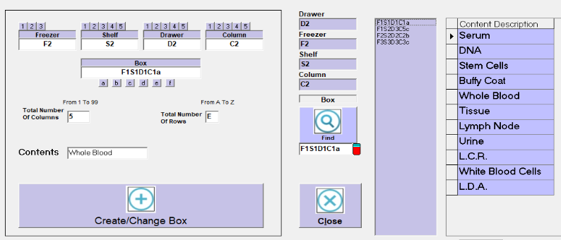
Bio-Banking

Set up

Manage

Search

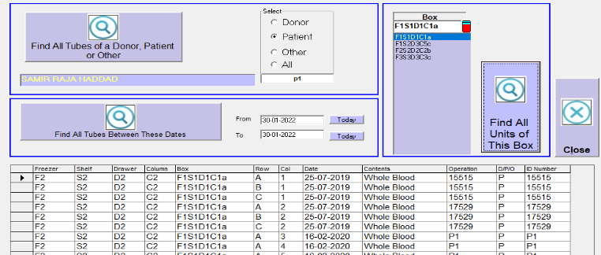
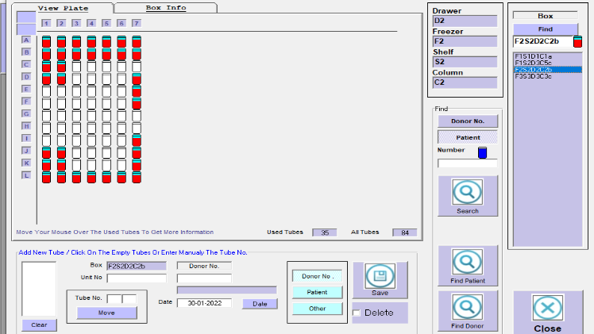

ID Panel

Set up
Antibody identification

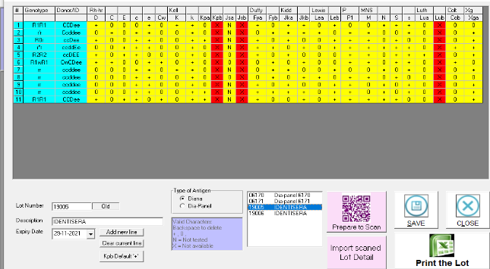

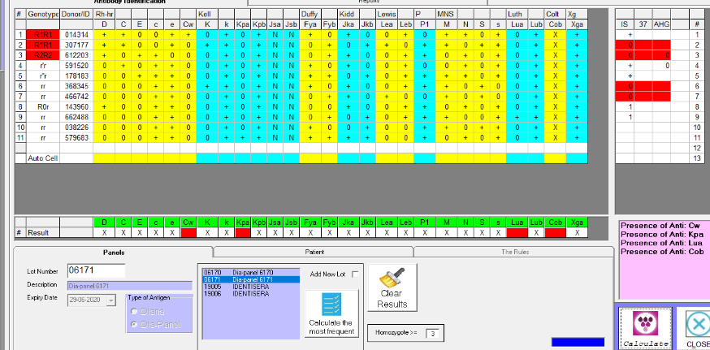

Tools
Statistic

Setup and Print
Requirements

Collection Points
Setup and Print

Quality Control

Ministry of health
Ministry of health

User & Permissions

Company information setup
System setup

Lab tests setup
Blood group compatibilities
Setup

Qualifications table setup
Counters setup

Questions setup
Translation setup

Menus
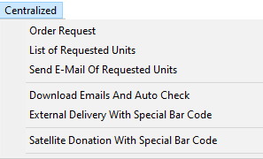
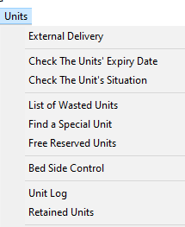
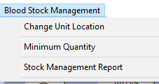
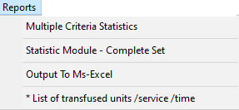
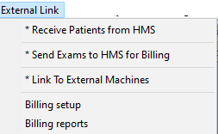
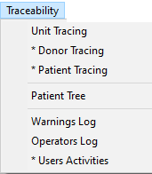
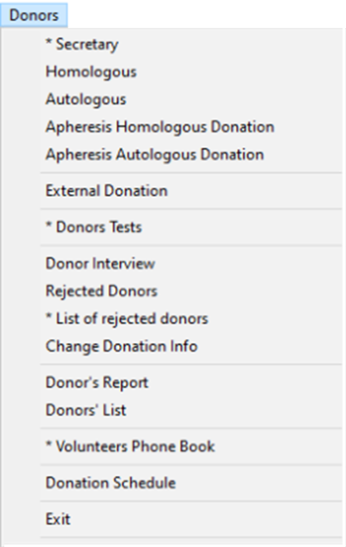
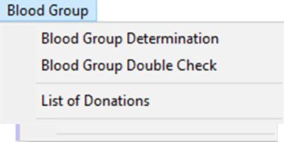
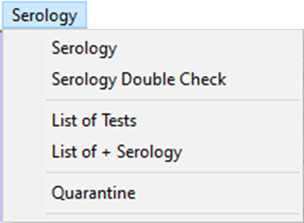
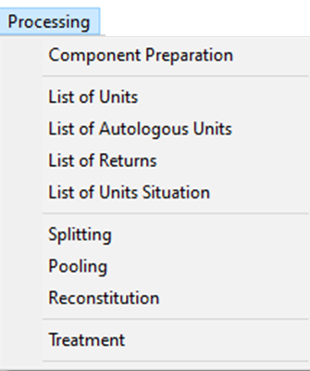
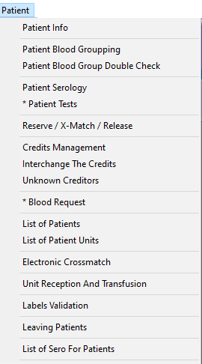
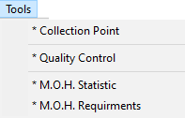
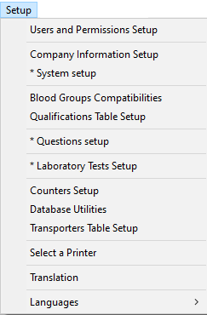
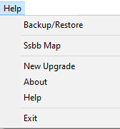

-

Main
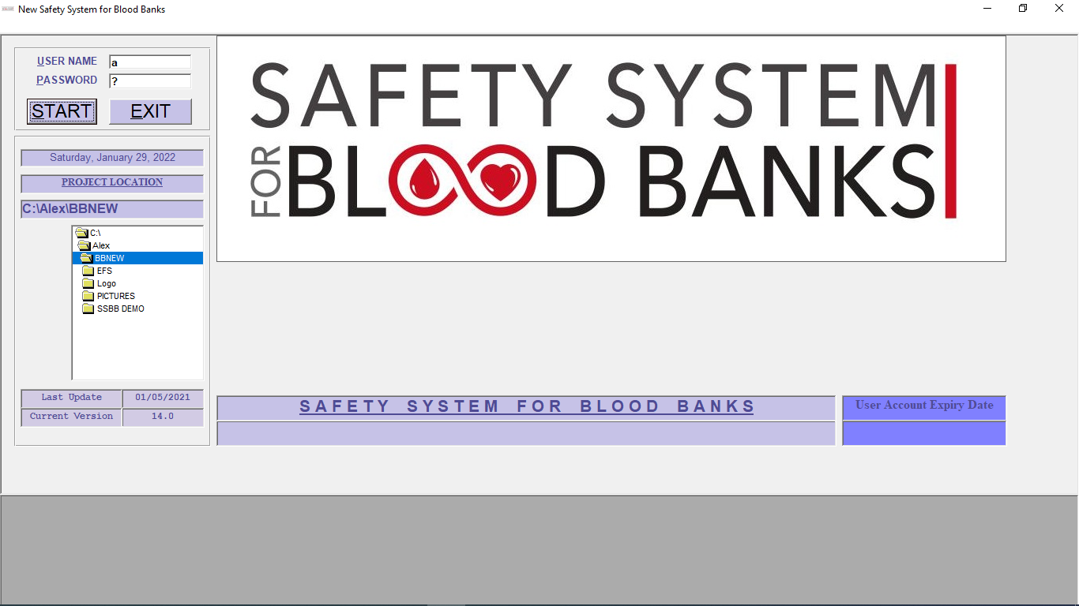

Window: | BBMAIN

Tables used: |  | USERS , | COMPANY | COUNTRS | WARNINGS

Field: | User name
Field: | password

button | start | check user name, password, expiry date,
 |  | privilage, access windows, …
 |  | display the owner of the license

Secretary
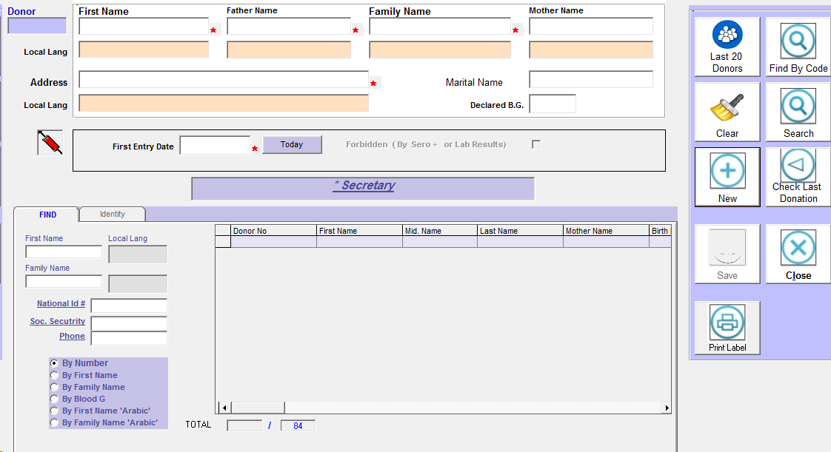
Window: | FRMSCRTRY

Tables used: |  | GIVERF , OPERATIONF , COUNTERS
 |  | FRACTIONF , PATIENTF , COMPANY
 |  | UNITLOG, WARNINGS , COMPONENTS
 |  | CYTOLOGY , CYTOTABLE , APHERESIS
 |  | TBLCHIMISTRY ,TBLHEMAT, TBLHIMMON
 |  | TBLBACT ,TBLANTICO, TBLADDITIVES
 |  | TBLTRANSLAT, TBLNAMEF, TBLNAMEL
 |  | TBLSHAKER, TBLLOCATION, DONREJECT
 |  | DONANSWER, wprod

 | all fields with * are required

Field: | first, father,family |  | when entered check if exist
Field: | local fields may be hidden by setup

Tab | find | to find donors by multiple criteria

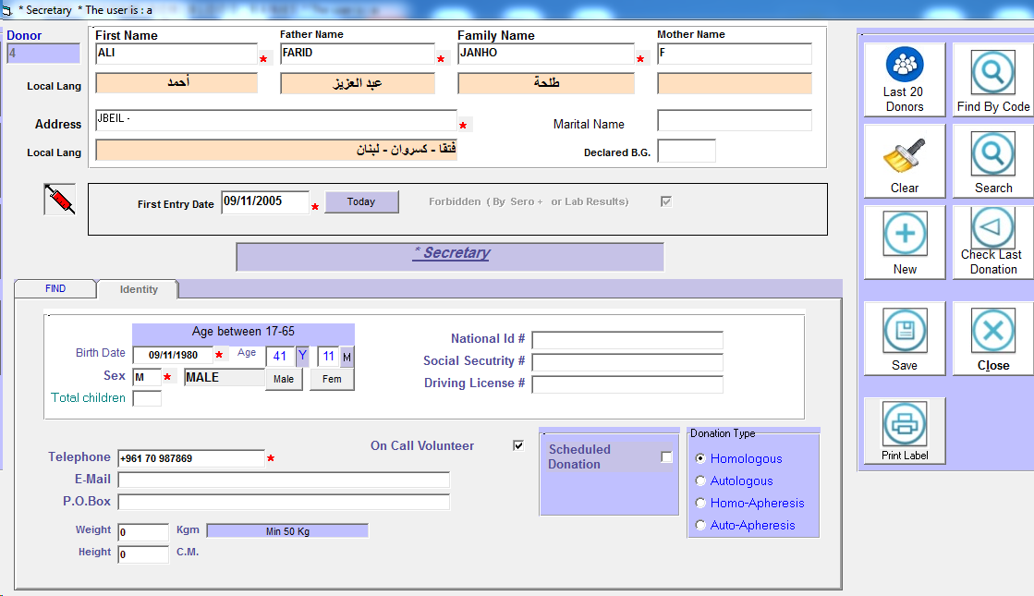

Tab | Identity |  | fill the blank

Homo
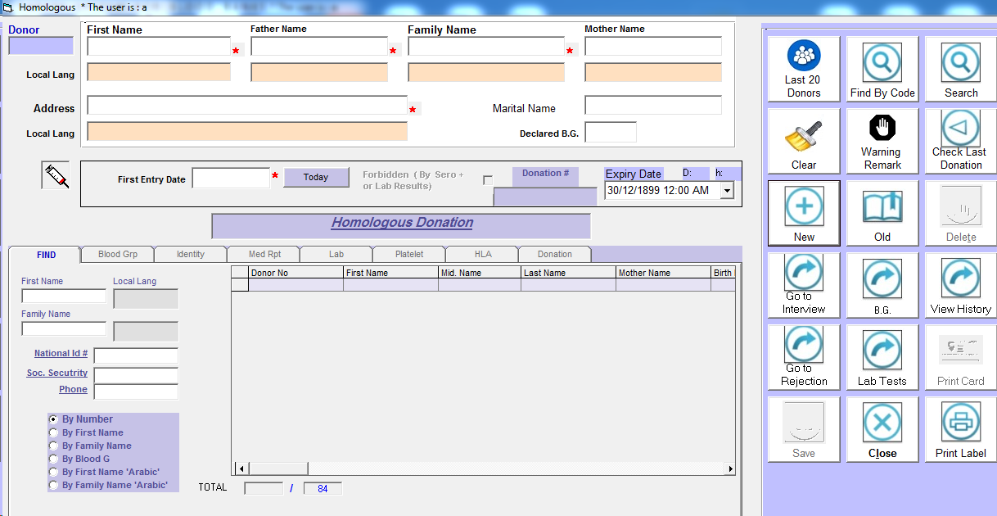
Window: | Homo / Auto / Apheresis

Tables used: |  | GIVERF , OPERATIONF , COUNTERS
 |  | FRACTIONF , PATIENTF , COMPANY
 |  | UNITLOG, WARNINGS , COMPONENTS
 |  | CYTOLOGY , CYTOTABLE , APHERESIS
 |  | TBLCHIMISTRY ,TBLHEMAT, TBLHIMMON
 |  | TBLBACT ,TBLANTICO, TBLADDITIVES
 |  | TBLTRANSLAT, TBLNAMEF, TBLNAMEL
 |  | TBLSHAKER, TBLLOCATION, DONREJECT
 |  | DONANSWER, wprod

 | all fields with * are required
 | upper window same as secretary window

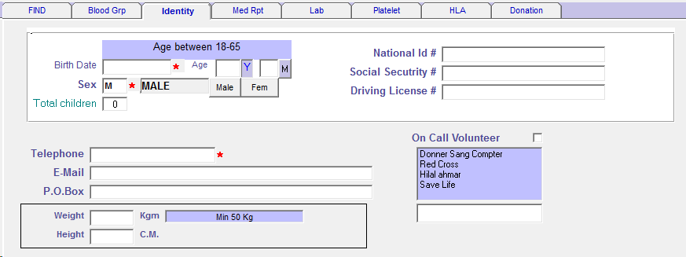

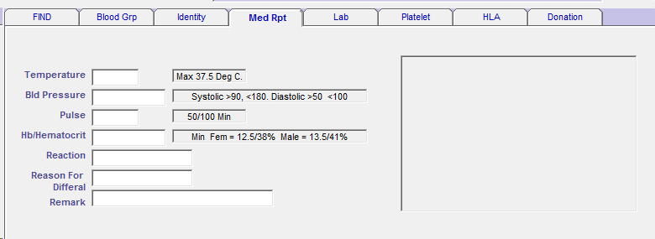

 |  | use table | OPERATIONF

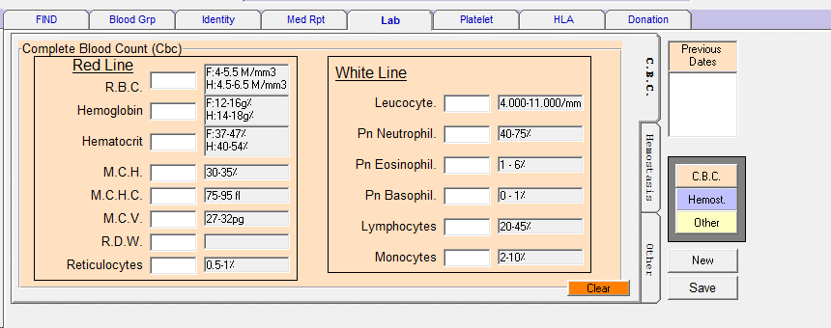

 |  | use tables | CYTOLOGY

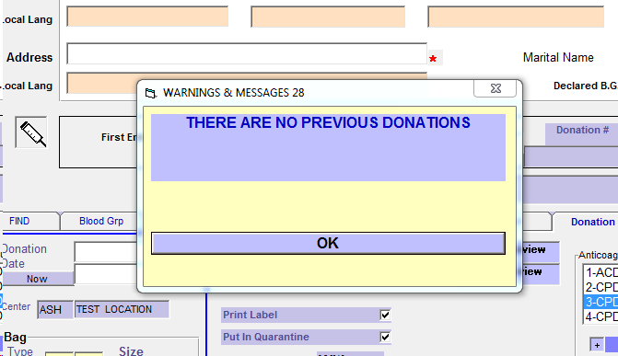
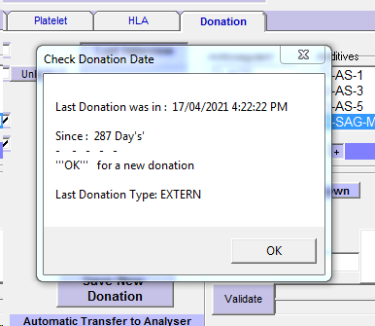

 | when donation tab check if:

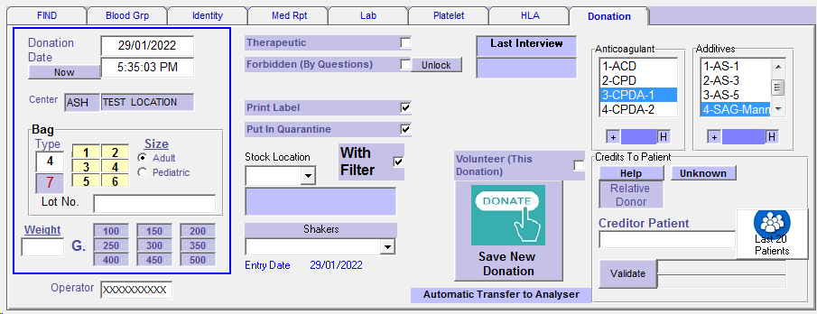
 | from tbladditive choose default

 | from tblantico choose default

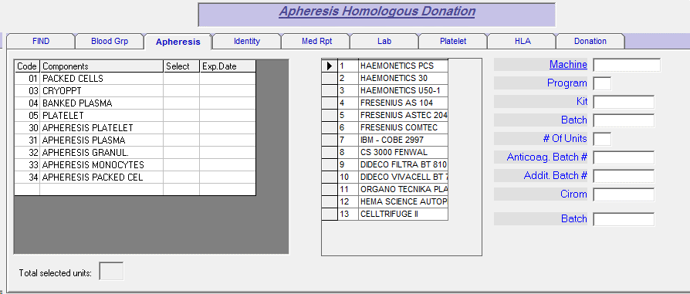

 | choose the type of blood
 |  | one or more

 | and all related

External Don
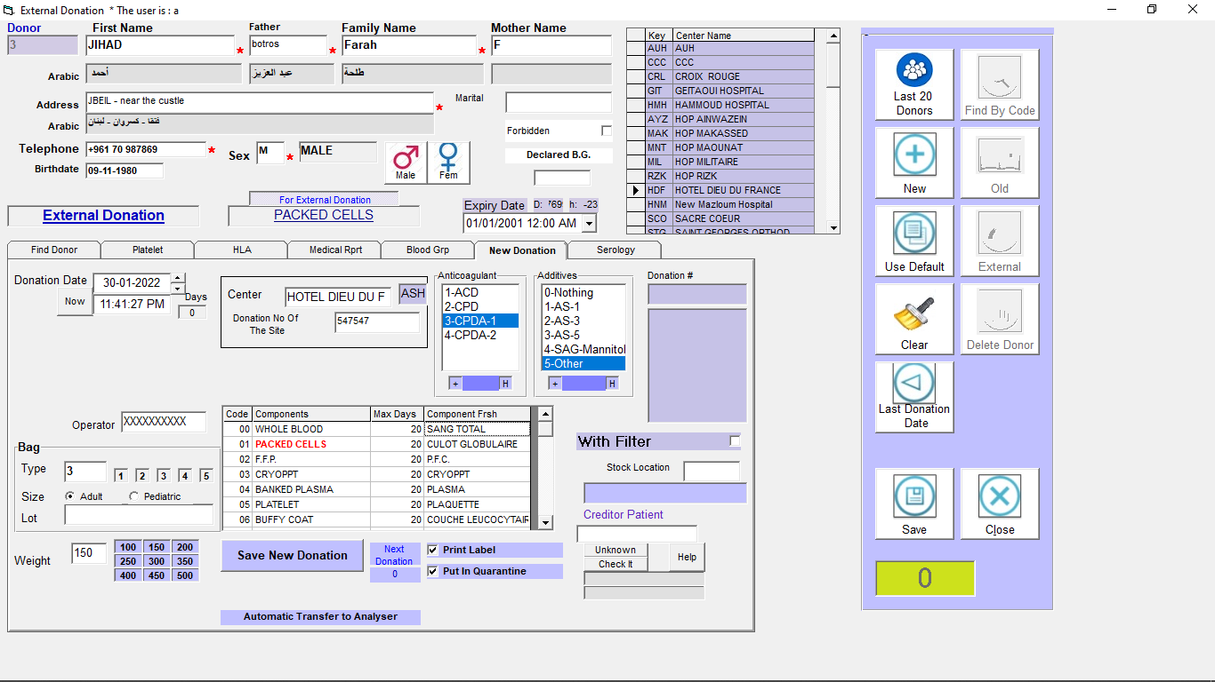

Same as homologous window
+ name of external site and the unit no.
+ show the serology last result
+ show the table of components to select

Donor lab Tests
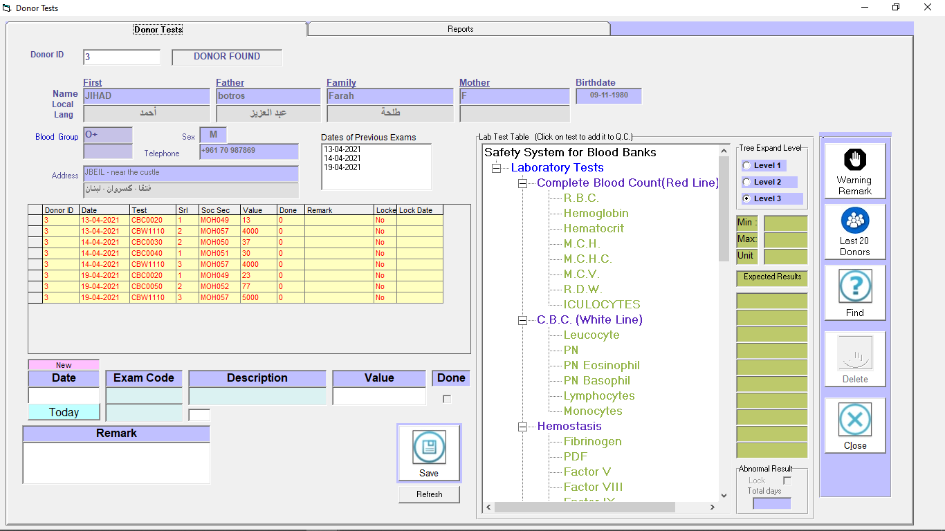

Patient lab tests

Serology
Window: | ANALYSIS

Tables used: |  | GIVERF | OPERATIONF | FRACTIONF | COUNTERS | UNITLOG | WARNINGS | COMPANY | SEROTABLE | SEROPARA | SEROPARA

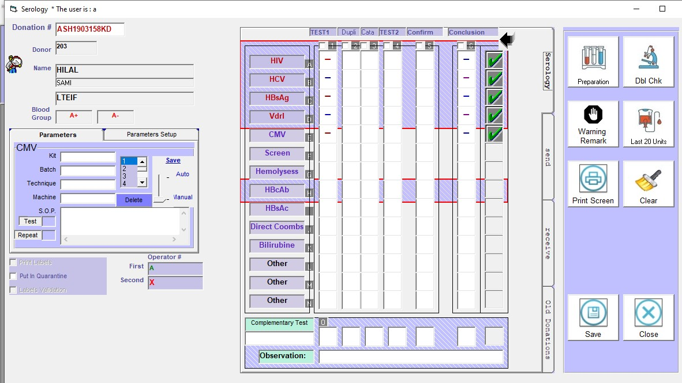
Field: | DONATION # |  | read the donation
button |  |  | display the result

 |  |  | 14 tests , every test has 5 results + conclusion
 |  | 1 | 2 | 3 | 4 | 5 | result
 | if | - |  |  |  |  | -
 | if | - | + |  |  |  | +
 | if | - | - | + |  |  | #
 | if | - | - | - | + | + | +
 | if | - | - | # |  |  | #
 | if | - | + | # |  |  | +

 |  | start save on Eporationf from field OTEST1A and continue

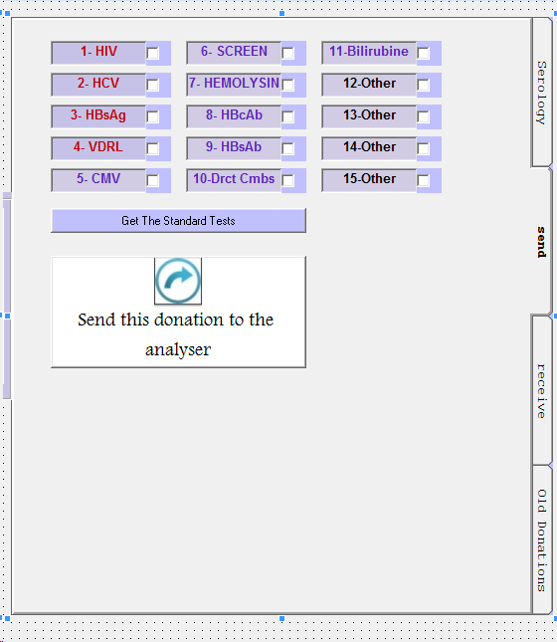

 | Specify wich test you want to send it to the analyser for testing
button | get the standard test
 |  | by reading COMPANY table, start field COSERO01 till COSERO15

button | send this donation to analyser
 |  | open D.B. request.mdb, table ANALYSER
 |  | and fill the data
 |  | third party program will do the send and receive the info from analyser

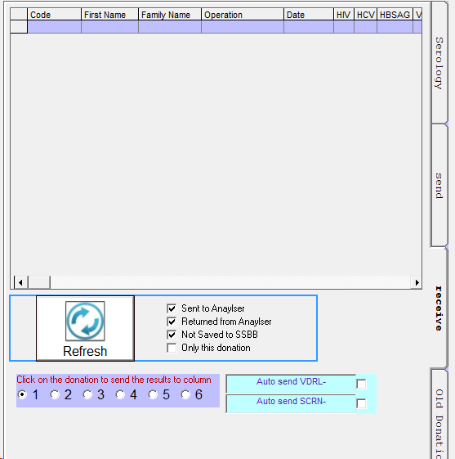

 | receive the result from request.mdb
 | specify the column of the serology to get the result

Serlgy dbl chk
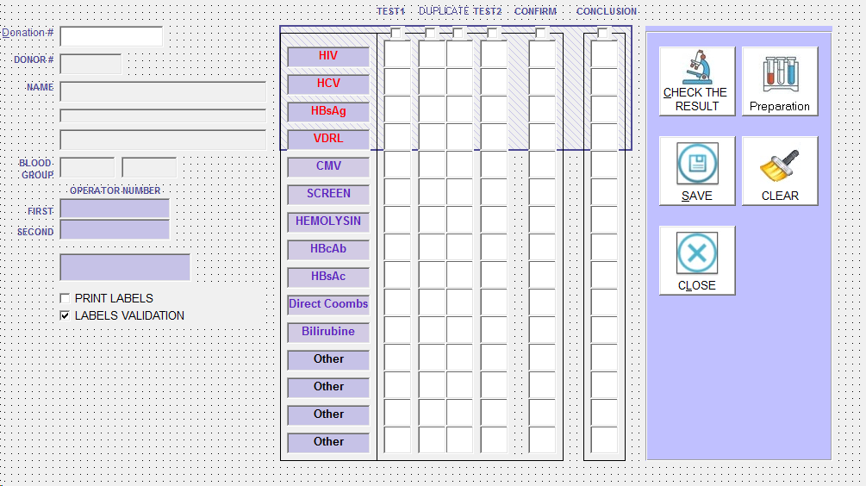
Window: | ANALYS2

Tables used: | GIVERF | OPERATIONF | UNITLOG | COMPANY

Field: | donation # |  | to read donationf
button | check the result |  | compare between operationf fields
 |  |  | and all the text box
 |  |  | if ok, save the check

button | save |  | save unitlog
 |  |  | save OPERATIONF!OSEROPR2 = operator
 |  |  | save systemlog

button | preparation |  | go to preparation window
button | clear |  | clear the window

